Sheet1
Customer Scorecard |  |  |  |  |  |  |  |  |  |  |  | Cutoff point
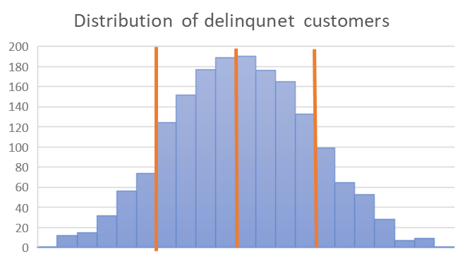
Credit Score | Flag | OCLTV | Flag | DTI | Flag | MI_PcT | Flag | Loan type | Flag | Score
630-689 FAIR | 1 | 95-146 | 1 | 42-45 |  | 17-22 |  | Small Scale ($0- 68k) |  | 1
<630 - POOR |  | 90-94 |  | 39-41 |  | 23-40 |  | Medium Loans ($69k - 232k) |  | 2
690-719 GOOD |  | 80-83 |  | 46-64 | 1 | 0-16 | 1 | Large Scale ($>233k) | 1 | 3
>720 EXCELLENT |  | 84-89 |  | 35-38 |  |  |  |  |  | 4
 |  | 65-71 |  | 32-34 |  |  |  |  |  | 5
 |  | 76-79 |  | 29-31 |  |  |  |  |  | 6
 |  | 72-75 |  | 26-28 |  |  |  |  |  | 7
 |  | 53-64 |  | 22-25 |  |  |  |  |  | 8
 |  | 4-52 |  | 18-21 |  |  |  |  |  | 9
 |  |  |  | 1-17 |  |  |  |  |  | 10
Sub total | 1 |  | 1 |  | 3 |  | 3 |  | 3 |  |  |  | Mean - STD | Mean | Mean + STD
Factor | 4 |  | 9 |  | 10 |  | 3 |  | 3 |  |  |  | 2.3 | 2.9 | 3.5
Suggested cutoff
Total | 0.25 |  | 0.11111111111 |  | 0.3 |  | 1 |  | 1 | 2.6611111111 | Pass

